Figure P.1
Total Participants with SDA in use or SDA eligible (not yet using SDA)
 | Participants with SDA in use | Participants SDA eligible, not yet using SDA
Mar-23 | 13,740 | 9,670
Jun-23 | 13,971 | 9,853
Sep-23 | 13,906 | 10,151
Dec-23 | 14,097 | 10,091
Mar-24 | 14,088 | 10,054
Jun-24 | 14,179 | 9,955
Sep-24 | 14,290 | 9,891
Dec-24 | 14,688 | 9,834
Mar-25 | 15,099 | 9,662
Jun-25 | 15,177 | 9,880
Sep-25 | 15,518 | 9,756
Dec-25 | 15,925 | 9,577
Mar-26 | 16,263 | 9,370
Annualised SDA supports in active plans ($m)
 | Annualised SDA supports in active plans ($m)
Mar-23 | 353
Jun-23 | 365
Sep-23 | 395
Dec-23 | 440
Mar-24 | 452
Jun-24 | 470
Sep-24 | 498
Dec-24 | 517
Mar-25 | 542
Jun-25 | 560
Sep-25 | 592
Dec-25 | 626
Mar-26 | 653
Figure P.1 Changes in Specialist Disability Accommodation by quarter – National
The column bar graph shows the number of active participants with specialist disability accommodation (SDA) supports by quarter. In March 2023 there were 13,740 active participants with SDA in use and 9,670 active participants eligible but not yet using SDA. In June 2023 there were 13,971 active participants with SDA in use and 9,853 active participants eligible but not yet using SDA. In September 2023 there were 13,906 active participants with SDA in use and 10,151 active participants eligible but not yet using SDA. In December 2023 there were 14,097 active participants with SDA in use and 10,091 active participants eligible but not yet using SDA. In March 2024 there were 14,088 active participants with SDA in use and 10,054 active participants eligible but not yet using SDA. In June 2024 there were 14,179 active participants with SDA in use and 9,955 active participants eligible but not yet using SDA. In September 2024 there were 14,290 active participants with SDA in use and 9,891 active participants eligible but not yet using SDA. In December 2024 there were 14,688 active participants with SDA in use and 9,834 active participants eligible but not yet using SDA. In March 2025 there were 15,099 active participants with SDA in use and 9,662 active participants eligible but not yet using SDA. In June 2025 there were 15,177 active participants with SDA in use and 9,880 active participants eligible but not yet using SDA. In September 2025 there were 15,518 active participants with SDA in use and 9,756 active participants eligible but not yet using SDA. In December 2025 there were 15,925 active participants with SDA in use and 9,577 active participants eligible but not yet using SDA. In March 2026 there were 16,263 active participants with SDA in use and 9,370 active participants eligible but not yet using SDA.
The column bar graph shows the amount of annualised specialist disability accommodation (SDA) supports in active plans by quarter. In March 2023 there were $353m in annualised SDA supports. In June 2023 there were $365m in annualised SDA supports. In September 2023 there were $395m in annualised SDA supports. In December 2023 there were $440m in annualised SDA supports. In March 2024 there were $452m in annualised SDA supports. In June 2024 there were $470m in annualised SDA supports. In September 2024 there were $498m in annualised SDA supports. In December 2024 there were $517m in annualised SDA supports. In March 2025 there were $542m in annualised SDA supports. In June 2025 there were $560m in annualised SDA supports. In September 2025 there were $592m in annualised SDA supports. In December 2025 there were $626m in annualised SDA supports. In March 2026 there were $653m in annualised SDA supports.
Active participants with SIL supports
 | Active participants with SIL supports
Mar-23 | 31,368
Jun-23 | 31,509
Sep-23 | 32,973
Dec-23 | 33,581
Mar-24 | 34,310
Jun-24 | 34,850
Sep-24 | 35,371
Dec-24 | 35,972
Mar-25 | 36,432
Jun-25 | 36,691
Sep-25 | 36,641
Dec-25 | 36,755
Mar-26 | 36,808
The column bar graph shows the number of active participants with supported independent living (SIL) supports by quarter. In March 2023 there were 31,368 active participants with SIL supports. In June 2023 there were 31,509 active participants with SIL supports. In September 2023 there were 32,973 active participants with SIL supports. In December 2023 there were 33,581 active participants with SIL supports. In March 2024 there were 34,310 active participants with SIL supports. In June 2024 there were 34,850 active participants with SIL supports. In September 2024 there were 35,371 active participants with SIL supports. In December 2024 there were 35,972 active participants with SIL supports. In March 2025 there were 36,432 active participants with SIL supports. In June 2025 there were 36,691 active participants with SIL supports. In September 2025 there were 36,641 active participants with SIL supports. In December 2025 there were 36,755 active participants with SIL supports. In March 2026 there were 36,808 active participants with SIL supports.
Annualised committed support for participants with SIL ($m)
 | Annualised committed support for participants with SIL ($m)
Mar-23 | 12,804
Jun-23 | 13,075
Sep-23 | 14,376
Dec-23 | 14,894
Mar-24 | 15,350
Jun-24 | 15,720
Sep-24 | 16,352
Dec-24 | 16,805
Mar-25 | 17,165
Jun-25 | 17,389
Sep-25 | 17,784
Dec-25 | 17,912
Mar-26 | 17,986
The column bar graph shows the amount of annualised committed supports for participants with supported independent living (SIL) supports by quarter. In March 2023 there were $12,804m in annualised SIL supports. In June 2023 there were $13,075m in annualised SIL supports. In September 2023 there were $14,376m in annualised SIL supports. In December 2023 there were $14,894m in annualised SIL supports. In March 2024 there were $15,350m in annualised SIL supports. In June 2024 there were $15,720m in annualised SIL supports. In September 2024 there were $16,352m in annualised SIL supports. In December 2024 there were $16,805m in annualised SIL supports. In March 2025 there were $17,165m in annualised SIL supports. In June 2025 there were $17,389m in annualised SIL supports. In September 2025 there were $17,784m in annualised SIL supports. In December 2025 there were $17,912m in annualised SIL supports. In March 2026 there were $17,986m in annualised SIL supports.
Enrolled dwellings (excluding in-kind)
 | Enrolled dwellings (excluding in-kind)
Mar-23 | 7,720
Jun-23 | 7,925
Sep-23 | 8,299
Dec-23 | 8,590
Mar-24 | 8,886
Jun-24 | 9,487
Sep-24 | 10,120
Dec-24 | 10,749
Mar-25 | 11,360
Jun-25 | 11,642
Sep-25 | 12,396
Dec-25 | 13,297
Mar-26 | 13,779
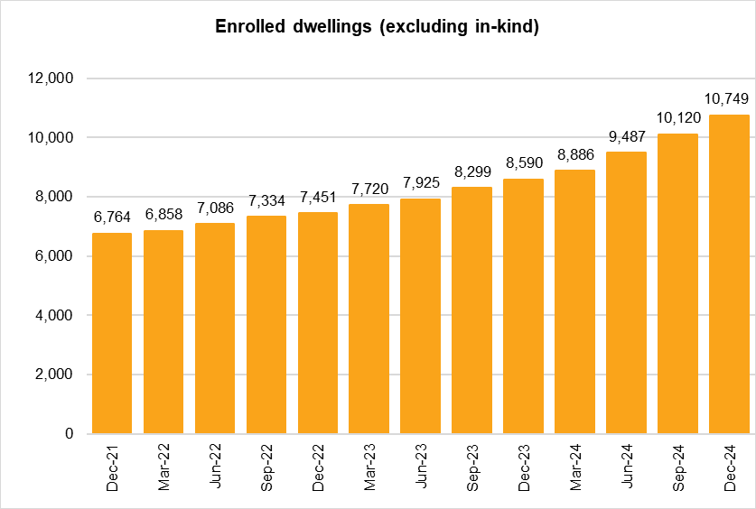 The column bar graph shows the number of enrolled dwellings (excluding in-kind) by quarter. In March 2023 there were 7,720 enrolled dwellings. In June 2023 there were 7,925 enrolled dwellings. In September 2023 there were 8,299 enrolled dwellings. In December 2023 there were 8,590 enrolled dwellings. In March 2024 there were 8,886 enrolled dwellings. In June 2024 there were 9,487 enrolled dwellings. In September 2024 there were 10,120 enrolled dwellings. In December 2024 there were 10,749 enrolled dwellings. In March 2025 there were 11,360 enrolled dwellings. In June 2025 there were 11,642 enrolled dwellings. In September 2025 there were 12,396 enrolled dwellings. In December 2025 there were 13,297 enrolled dwellings. In March 2026 there were 13,779 enrolled dwellings.

