Figure P.1
Total Participants with SDA in use or SDA eligible (not yet using SDA)
 | Participants with SDA in use | Participants SDA eligible, not yet using SDA
Sep-22 | 13238 | 8584
Dec-22 | 13505 | 9315
Mar-23 | 13740 | 9670
Jun-23 | 13971 | 9853
Sep-23 | 13906 | 10151
Dec-23 | 14097 | 10091
Mar-24 | 14088 | 10054
Jun-24 | 14179 | 9955
Sep-24 | 14290 | 9891
Dec-24 | 14688 | 9834
Figure P.1 Changes in Specialist Disability Accommodation by quarter – National
The column bar graph shows the number of active participants with specialist disability accommodation (SDA) supports by quarter. In September 2022 there were 8,584 active participants with SDA supports. In December 2022 there were 9,315 active participants with SDA supports. In March 2023 there were 9,670 active participants with SDA supports. In June 2023 there were 9,853 active participants with SDA supports. In September 2023 there were 10,151 active participants with SDA supports. In December 2023 there were 10,091 active participants with SDA supports. In March 2024 there were 10,054 active participants with SDA supports. In June 2024 there were 9,955 active participants with SDA supports. In September 2024 there were 9,891 active participants with SDA supports. In December 2024 there were 9,834 active participants with SDA supports.
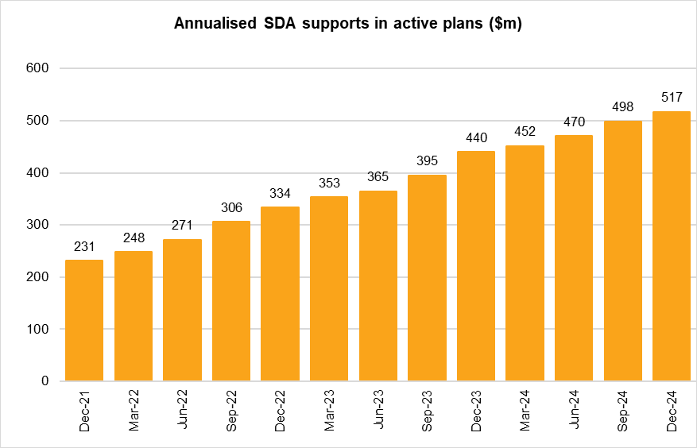 The column bar graph shows the amount of annualised specialist disability accommodation (SDA) supports in active plans by quarter. In December 2021 there were $231m in annualised SDA supports. In March 2022 there were $248m in annualised SDA supports. In June 2022 there were $271m in annualised SDA supports. In September 2022 there were $306m in annualised SDA supports. In December 2022 there were $334m in annualised SDA supports. In March 2023 there were $353m in annualised SDA supports. In June 2023 there were $365m in annualised SDA supports. In September 2023 there were $395m in annualised SDA supports. In December 2023 there were $440m in annualised SDA supports. In March 2024 there were $452m in annualised SDA supports. In June 2024 there were $470m in annualised SDA supports. In September 2024 there were $498m in annualised SDA supports. In December 2024 there were $517m in annualised SDA supports.
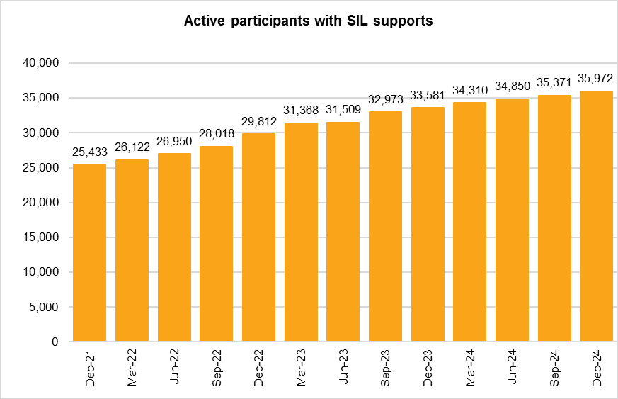 The column bar graph shows the number of active participants with supported independent living (SIL) supports by quarter. In December 2021 there were 25,433 active participants with SIL supports. In March 2022 there were 26,122 active participants with SIL supports. In June 2022 there were 26,950 active participants with SIL supports. In September 2022 there were 28,018 active participants with SIL supports. In December 2022 there were 29,812 active participants with SIL supports. In March 2023 there were 31,368 active participants with SIL supports. In June 2023 there were 31,509 active participants with SIL supports. In September 2023 there were 32,973 active participants with SIL supports. In December 2023 there were 33,581 active participants with SIL supports. In March 2024 there were 34,310 active participants with SIL supports. In June 2024 there were 34,850 active participants with SIL supports. In September 2024 there were 35,371 active participants with SIL supports. In December 2024 there were 35,972 active participants with SIL supports.
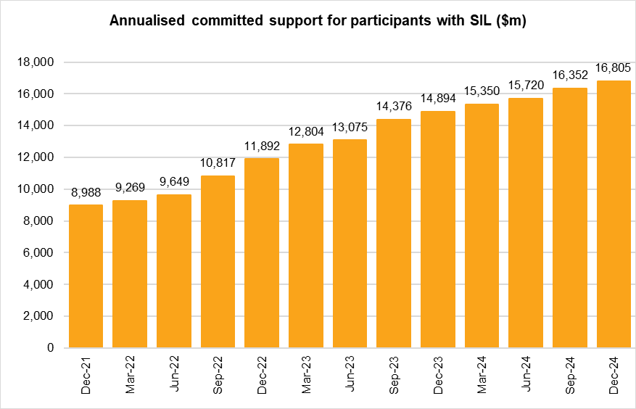 The column bar graph shows the amount of annualised committed supports for participants with supported independent living (SIL) supports by quarter. In December 2021 there were $8,988m in annualised SIL supports. In March 2022 there were $9,269m in annualised SIL supports. In June 2022 there were $9,649m in annualised SIL supports. In September 2022 there were $10,817m in annualised SIL supports. In December 2022 there were $11,892m in annualised SIL supports. In March 2023 there were $12,804m in annualised SIL supports. In June 2023 there were $13,075m in annualised SIL supports. In September 2023 there were $14,376m in annualised SIL supports. In December 2023 there were $14,894m in annualised SIL supports. In March 2024 there were $15,350m in annualised SIL supports. In June 2024 there were $15,720m in annualised SIL supports. In September 2024 there were $16,352m in annualised SIL supports. In December 2024 there were $16,805m in annualised SIL supports.
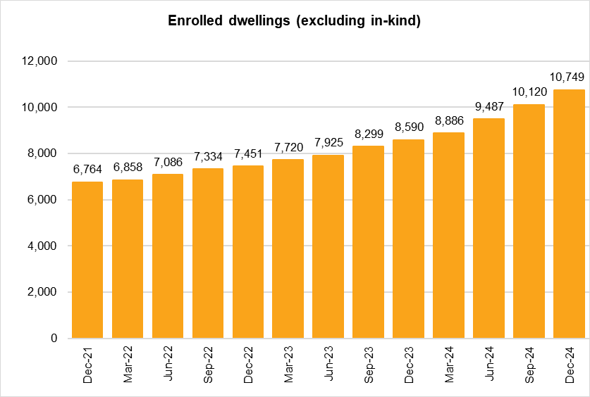 The column bar graph shows the number of enrolled dwellings (excluding in-kind) by quarter. In December 2021 there were 6,764 enrolled dwellings. In March 2022 there were 6,858 enrolled dwellings. In June 2022 there were 7,086 enrolled dwellings. In September 2022 there were 7,334 enrolled dwellings. In December 2022 there were 7,451 enrolled dwellings. In March 2023 there were 7,720 enrolled dwellings. In June 2023 there were 7,925 enrolled dwellings. In September 2023 there were 8,299 enrolled dwellings. In December 2023 there were 8,590 enrolled dwellings. In March 2024 there were 8,886 enrolled dwellings. In June 2024 there were 9,487 enrolled dwellings. In September 2024 there were 10,120 enrolled dwellings. In December 2024 there were 10,749 enrolled dwellings.
Back to Table of Contents

