Figure P.1
Figure P.1 Changes in Specialist Disability Accommodation by quarter – National
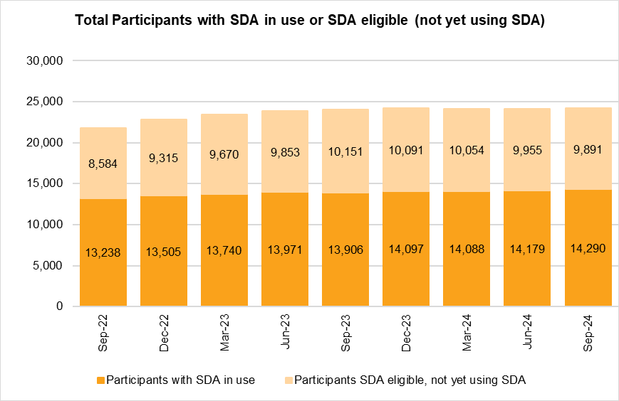 The column bar graph shows the number of active participants with specialist disability accommodation (SDA) supports by quarter. In September 2022 there were 13,328 active participants with SDA in use and 8,584 active participants eligible but not yet using SDA. In December 2022 there were 13,505 active participants with SDA in use and 9,315 active participants eligible but not yet using SDA. In March 2023 there were 13,740 active participants with SDA in use and 9,670 active participants eligible but not yet using SDA. In June 2023 there were 13,971 active participants with SDA in use and 9,853 active participants eligible but not yet using SDA. In September 2023 there were 13,906 active participants with SDA in use and 10,151 active participants eligible but not yet using SDA. In December 2023 there were 14,097 active participants with SDA in use and 10,091 active participants eligible but not yet using SDA. In March 2024 there were 14,088 active participants with SDA in use and 10,054 active participants eligible but not yet using SDA. In June 2024 there were 14,179 active participants with SDA in use and 9,955 active participants eligible but not yet using SDA. In September 2024 there were 14,290 active participants with SDA in use and 9,891 active participants eligible but not yet using SDA.
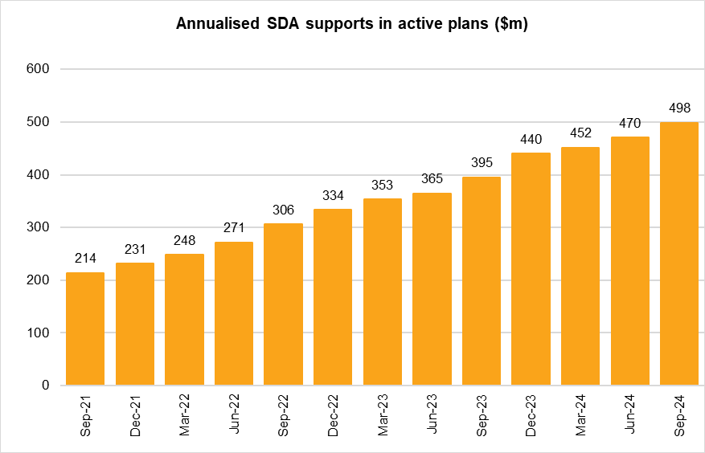 The column bar graph shows the amount of annualised specialist disability accommodation (SDA) supports in active plans by quarter. In September 2021 there were $214m in annualised SDA supports. In December 2021 there were $231m in annualised SDA supports. In March 2022 there were $248m in annualised SDA supports. In June 2022 there were $271m in annualised SDA supports. In September 2022 there were $306m in annualised SDA supports. In December 2022 there were $334m in annualised SDA supports. In March 2023 there were $353m in annualised SDA supports. In June 2023 there were $365m in annualised SDA supports. In September 2023 there were $395m in annualised SDA supports. In December 2023 there were $440m in annualised SDA supports. In March 2024 there were $452m in annualised SDA supports. In June 2024 there were $470m in annualised SDA supports. In September 2024 there were $498m in annualised SDA supports.
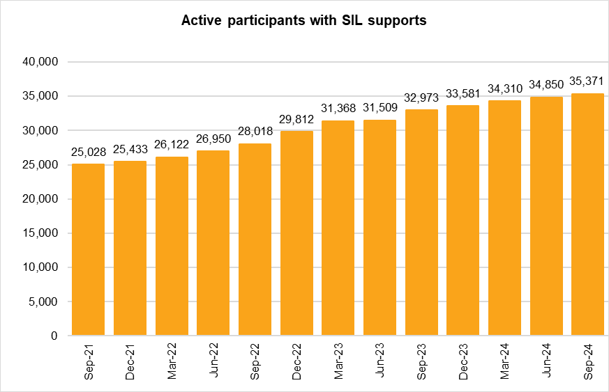 The column bar graph shows the number of active participants with supported independent living (SIL) supports by quarter. In September 2021 there were 25,028 active participants with SIL supports. In December 2021 there were 25,433 active participants with SIL supports. In March 2022 there were 26,122 active participants with SIL supports. In June 2022 there were 26,950 active participants with SIL supports. In September 2022 there were 28,018 active participants with SIL supports. In December 2022 there were 29,812 active participants with SIL supports. In March 2023 there were 31,368 active participants with SIL supports. In June 2023 there were 31,509 active participants with SIL supports. In September 2023 there were 32,973 active participants with SIL supports. In December 2023 there were 33,581 active participants with SIL supports. In March 2024 there were 34,310 active participants with SIL supports. In June 2024 there were 34,850 active participants with SIL supports. In September 2024 there were 35,371 active participants with SIL supports.
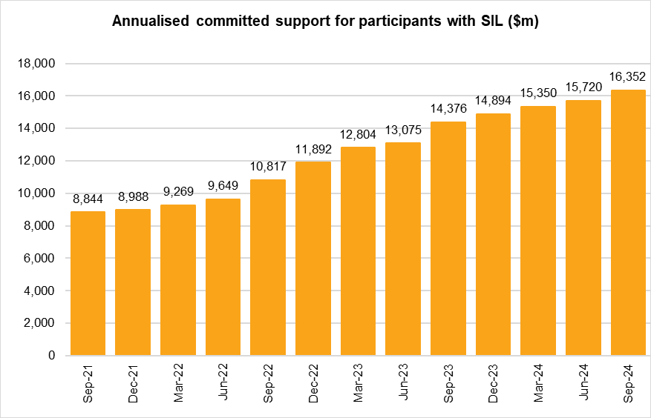 The column bar graph shows the amount of annualised committed supports for participants with supported independent living (SIL) supports by quarter. In September 2021 there were $8,844m in annualised SIL supports. In December 2021 there were $8,988m in annualised SIL supports. In March 2022 there were $9,269m in annualised SIL supports. In June 2022 there were $9,649m in annualised SIL supports. In September 2022 there were $10,817m in annualised SIL supports. In December 2022 there were $11,892m in annualised SIL supports. In March 2023 there were $12,804m in annualised SIL supports. In June 2023 there were $13,075m in annualised SIL supports. In September 2023 there were $14,376m in annualised SIL supports. In December 2023 there were $14,894m in annualised SIL supports. In March 2024 there were $15,350m in annualised SIL supports. In June 2024 there were $15,720m in annualised SIL supports. In September 2024 there were $16,352m in annualised SIL supports.
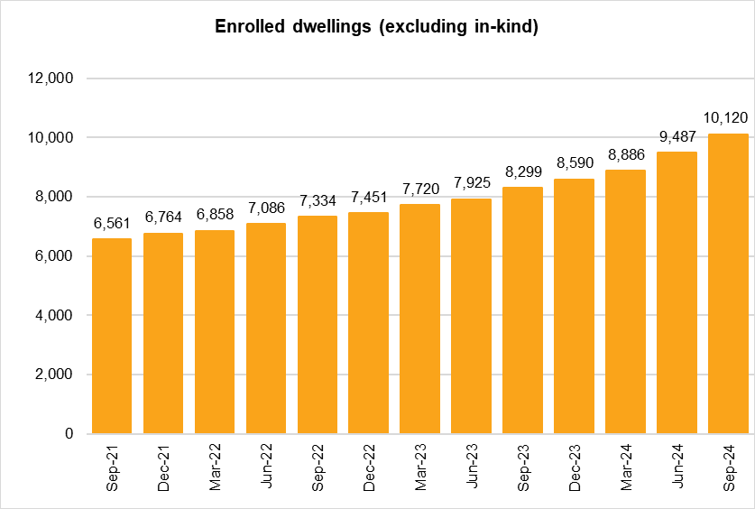 The column bar graph shows the number of enrolled dwellings (excluding in-kind) by quarter. In September 2021 there were 6,561 enrolled dwellings. In December 2021 there were 6,764 enrolled dwellings. In March 2022 there were 6,858 enrolled dwellings. In June 2022 there were 7,086 enrolled dwellings. In September 2022 there were 7,334 enrolled dwellings. In December 2022 there were 7,451 enrolled dwellings. In March 2023 there were 7,720 enrolled dwellings. In June 2023 there were 7,925 enrolled dwellings. In September 2023 there were 8,299 enrolled dwellings. In December 2023 there were 8,590 enrolled dwellings. In March 2024 there were 8,886 enrolled dwellings. In June 2024 there were 9,487 enrolled dwellings. In September 2024 there were 10,120 enrolled dwellings.
Back to Table of Contents

