Figure P.1
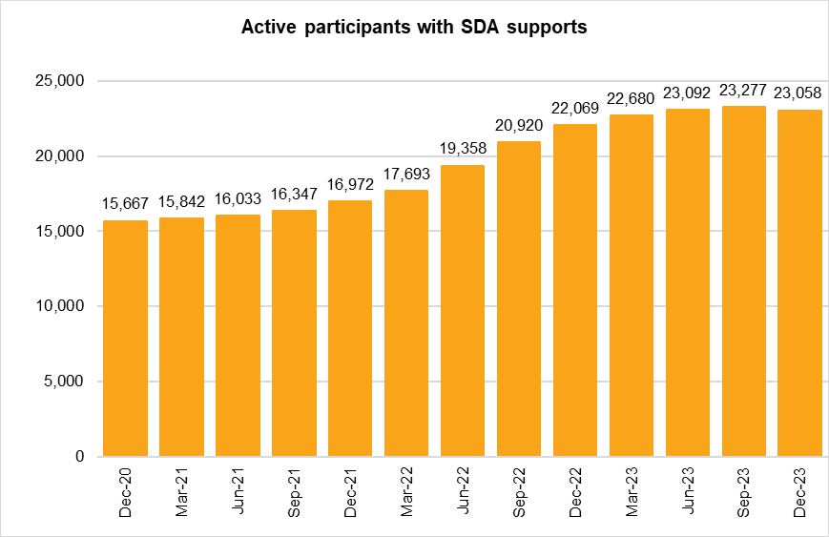
Figure P.1 Changes in Specialist Disability Accommodation by quarter – National
The column bar graph shows the number of active participants with specialist disability accommodation (SDA) supports by quarter. In September 2020 there were 15,240 active participants with SDA supports. In December 2020 there were 15,667 active participants with SDA supports. In March 2021 there were 15,842 active participants with SDA supports. In June 2021 there were 16,033 active participants with SDA supports. In September 2021 there were 16,347 active participants with SDA supports. In December 2021 there were 16,972 active participants with SDA supports. In March 2022 there were 17,693 active participants with SDA supports. In June 2022 there were 19,358 active participants with SDA supports. In September 2022 there were 20,920 active participants with SDA supports. In December 2022 there were 22,069 active participants with SDA supports. In March 2023 there were 22,680 active participants with SDA supports. In June 2023 there were 23,092 active participants with SDA supports. In September 2023 there were 23,277 active participants with SDA supports.
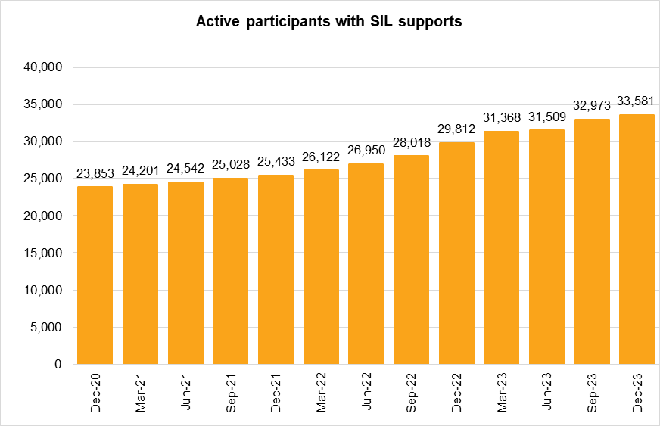 The column bar graph shows the number of active participants with supported independent living (SIL) supports by quarter. In September 2020 there were 23,558 active participants with SIL supports. In December 2020 there were 23,853 active participants with SIL supports. In March 2021 there were 24,201 active participants with SIL supports. In June 2021 there were 24,542 active participants with SIL supports. In September 2021 there were 25,028 active participants with SIL supports. In December 2021 there were 25,433 active participants with SIL supports. In March 2022 there were 26,122 active participants with SIL supports. In June 2022 there were 26,950 active participants with SIL supports. In September 2022 there were 28,018 active participants with SIL supports. In December 2022 there were 29,812 active participants with SIL supports. In March 2023 there were 31,368 active participants with SIL supports. In June 2023 there were 31,509 active participants with SIL supports. In September 2023 there were 32,973 active participants with SIL supports.
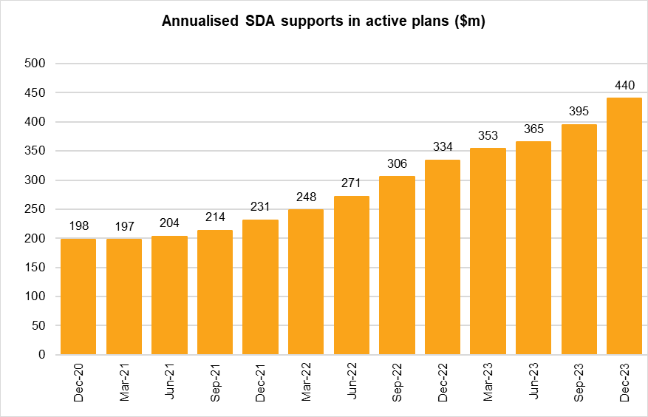 The column bar graph shows the amount of annualised specialist disability accommodation (SDA) supports in active plans by quarter. In September 2020 there were $185m in annualised SDA supports. In December 2020 there were $198m in annualised SDA supports. In March 2021 there were $197m in annualised SDA supports. In June 2021 there were $204m in annualised SDA supports. In September 2021 there were $214m in annualised SDA supports. In December 2021 there were $231m in annualised SDA supports. In March 2022 there were $248m in annualised SDA supports. In June 2022 there were $271m in annualised SDA supports. In September 2022 there were $306m in annualised SDA supports. In December 2022 there were $334m in annualised SDA supports. In March 2023 there were $353m in annualised SDA supports. In June 2023 there were $365m in annualised SDA supports. In September 2023 there were $395m in annualised SDA supports.
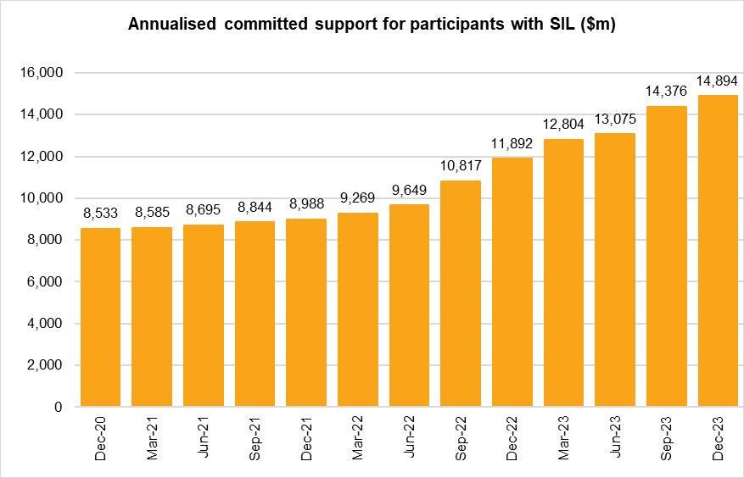 The column bar graph shows the amount of annualised committed supports for participants with supported independent living (SIL) supports by quarter. In September 2020 there were $8,439m in annualised SIL supports. In December 2020 there were $8,533m in annualised SIL supports. In March 2021 there were $8,585m in annualised SIL supports. In June 2021 there were $8,695m in annualised SIL supports. In September 2021 there were $8,844m in annualised SIL supports. In December 2021 there were $8,988m in annualised SIL supports. In March 2022 there were $9,269m in annualised SIL supports. In June 2022 there were $9,649m in annualised SIL supports. In September 2022 there were $10,817m in annualised SIL supports. In December 2022 there were $11,892m in annualised SIL supports. In March 2023 there were $12,804m in annualised SIL supports. In June 2023 there were $13,075m in annualised SIL supports. In September 2023 there were $14,376m in annualised SIL supports.
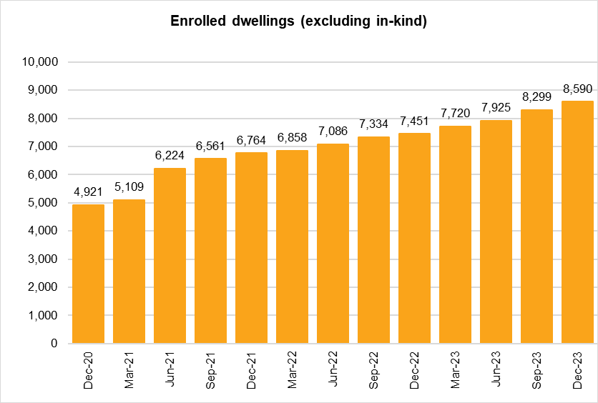 The column bar graph shows the number of enrolled dwellings (excluding in-kind) by quarter. In September 2020 there were 4,478 enrolled dwellings. In December 2020 there were 4,921 enrolled dwellings. In March 2021 there were 5,109 enrolled dwellings. In June 2021 there were 6,224 enrolled dwellings. In September 2021 there were 6,561 enrolled dwellings. In December 2021 there were 6,764 enrolled dwellings. In March 2022 there were 6,858 enrolled dwellings. In June 2022 there were 7,086 enrolled dwellings. In September 2022 there were 7,334 enrolled dwellings. In December 2022 there were 7,451 enrolled dwellings. In March 2023 there were 7,720 enrolled dwellings. In June 2023 there were 7,925 enrolled dwellings. In September 2023 there were 8,299 enrolled dwellings.
Back to Table of Contents

