B
Appendix B:
Scheme roll-out: Timing and locations
Figure B.1 NDIS roll-out schedule
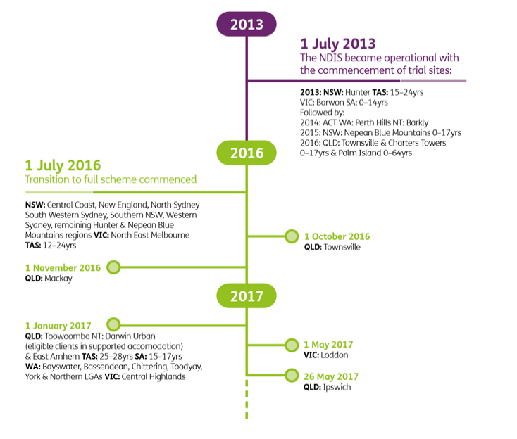
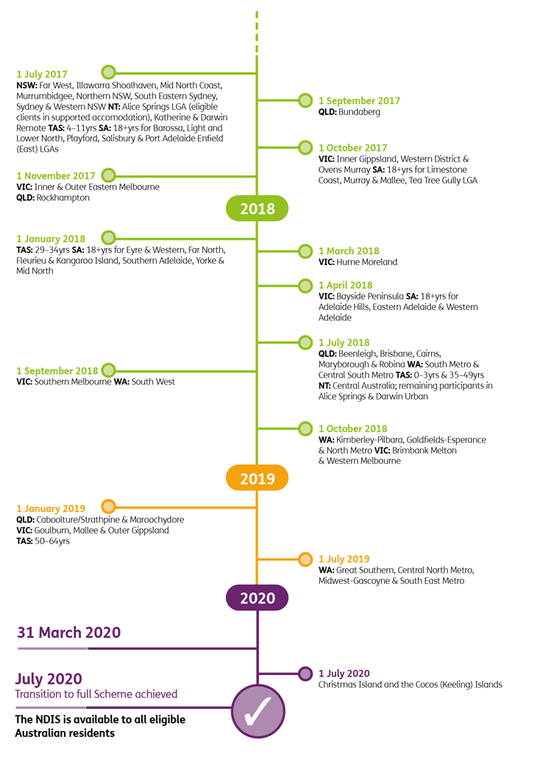

Back to Table of Contents

