Figure1
Figure P.1 Changes in Specialist Disability Accommodation by quarter – National
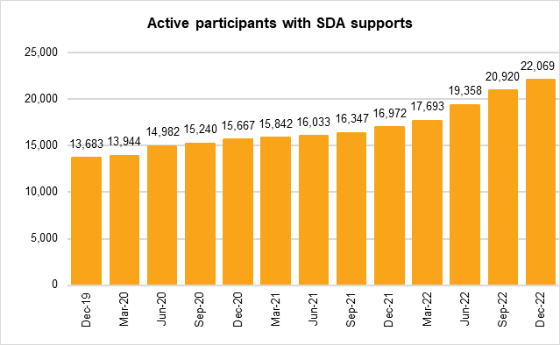
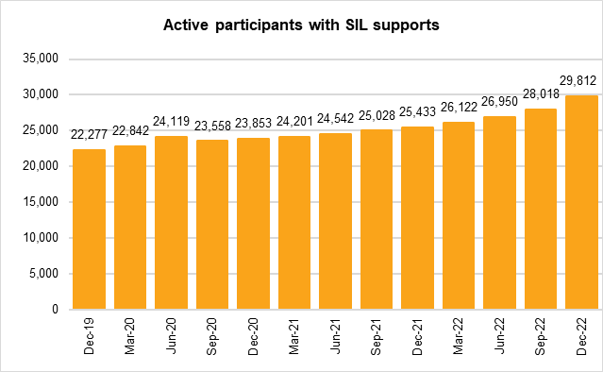
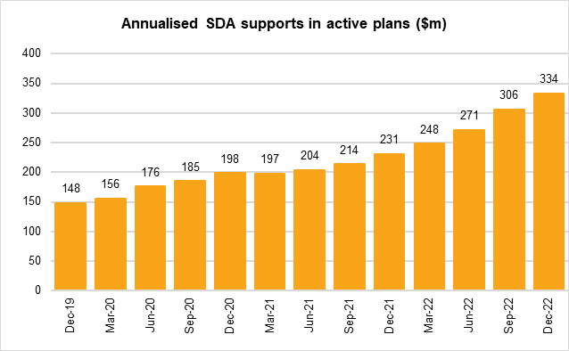
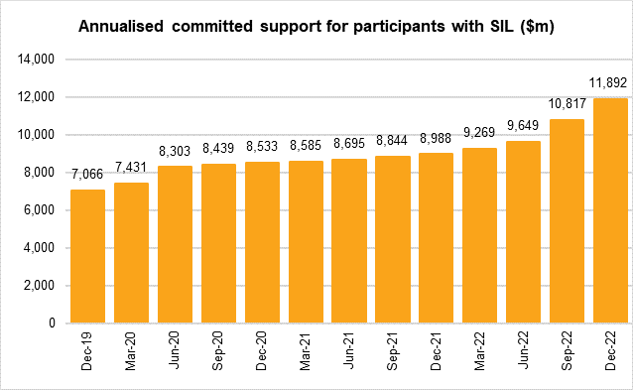
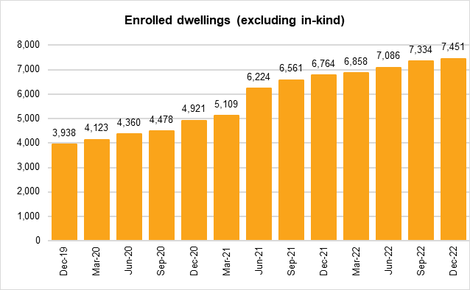
Due to operational changes since July 2020, there has been an issue with identifying SIL in plans as they are being completed. A temporary and manual solution was implemented to estimate the number of active participants who should be identified as having SIL in their plans but do not appear as such on the Agency's system. From May 2022, an automated and more accurate method has been applied in identifying SIL participants leading to a restatement in the number of SIL participations from July 2020 to April 2022
Back to Table of Contents

