Guide to Spreadsheet
This Excel spreadsheet contains the underlying data used to create the charts used in the "Participants living cross remoteness classifications" report, published by the NDIA in September 2020.

The numbered tabs on the sheet correspond to the slides in the presentation. In the name of each tab, there is an abbreviated description of the slide following the slide number.

Three examples below show how the data tables provided correspond to the charts.

Example 1 - Bar Graphs with Line Graph

For example, slide 18 in the presentation has a chart titled "Ratio of Disability Prevalence Rate in each Remoteness Area to National Average Disability Prevalence Rate". The title of the slide is "NDIS Experience by Remoteness"

Ratio of disability prevalence rate in each remoteness area to national average disability prevalence rate
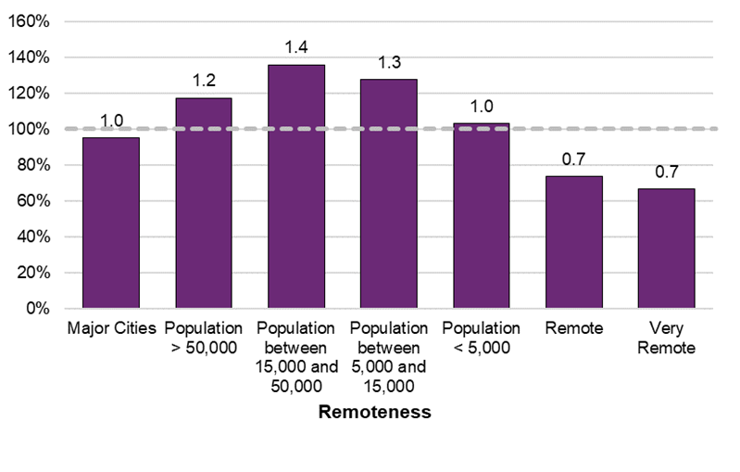

The underlying numbers for this chart are shown in the tab named "18. NDIA Experience Remoteness" in this spreadsheet, for example:

Ratio of disability prevalence rate in each remoteness area to national average disability prevalence rate
Remoteness | June 2020 NDIS | National Average
Major cities | 1.0 | 100%
Regional areas with population > 50,000 | 1.2 | 100%
Regional areas with population between 15,000 and 50,000 | 1.4 | 100%
Regional areas with population between 5,000 and 15,000 | 1.3 | 100%
Regional areas with population < 5,000 | 1.0 | 100%
Remote areas | 0.7 | 100%
Very Remote areas | 0.7 | 100%

Example 2 - Bar Graphs
Slide 30 in the presentation has a chart titled "Average Utilisation of Committed Supports in Active Participant Plans". The title of the slide is "Utilisation of Committed Supports"

Average utilisation of committed supports in active participant plans - by SIL Status
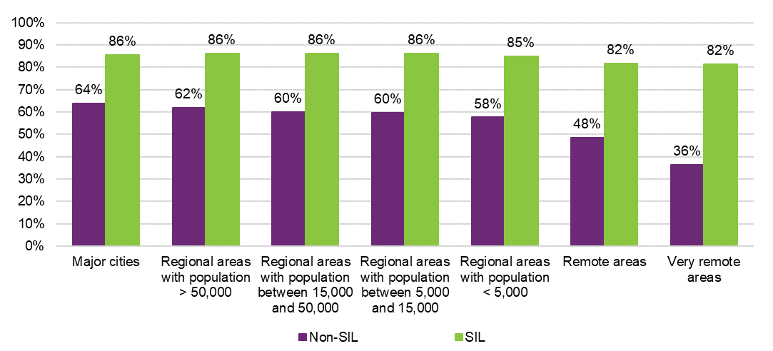

The underlying numbers for this chart are shown in the tab named "30. SIL Status" in this spreadsheet, for example:

Average utilisation of committed supports in active participant plans - by SIL Status
Remoteness areas | Non-SIL | SIL
Major cities | 64% | 86%
Regional areas with population > 50,000 | 62% | 86%
Regional areas with population between 15,000 and 50,000 | 60% | 86%
Regional areas with population between 5,000 and 15,000 | 60% | 86%
Regional areas with population < 5,000 | 58% | 85%
Remote areas | 48% | 82%
Very Remote areas | 36% | 82%

Example 3 Outcomes Graphs

Slide 41 in the presentation has a chart titled "Selected Key Baseline Indicators and the Changes at First Review". The title of the slide is "Participants aged 0 to starting school outcomes"

The underlying numbers for this chart are shown in the tab named "41. P0TOSS Outcomes" in this spreadsheet, for example:

Selected key baseline indicators - for values of the bar charts
Domain | Relationships | Social & Community Participation | Choice & Control
Remoteness areas | % of children who can make friends with people outside the family | % of children who participate in age appropriate community, cultural or religious activities | Child is able to tell them what he/she wants
Major cities | 53% | 50% | 61%
Regional areas with population > 50,000 | 65% | 51% | 68%
Regional areas with population between 15,000 and 50,000 | 62% | 47% | 68%
Regional areas with population between 5,000 and 15,000 | 67% | 47% | 65%
Regional areas with population < 5,000 | 60% | 48% | 65%
Remote areas | 58% | 57% | 58%
Very Remote areas | 51% | 68% | 50%

Longitudinal change between baseline and review 2 - for values of the scatter plot
Domain | Relationships | Social & Community Participation | Choice & Control
Remoteness areas | % of children who can make friends with people outside the family | % of children who participate in age appropriate community, cultural or religious activities | Child is able to tell them what he/she wants
Major cities | 7% | 3% | 14%
Regional areas with population > 50,000 | 7% | 3% | 13%
Regional areas with population between 15,000 and 50,000 | 6% | 1% | 10%
Regional areas with population between 5,000 and 15,000 | 5% | 4% | 14%
Regional areas with population < 5,000 | 9% | 4% | 14%
Remote areas | 8% | 6% | 10%
Very Remote areas | -3% | 5% | 13%

Statistical Significance of longitudinal changes - colour of the scatter plot, with black suggests "Yes" there is significant change, and white suggests "No" there isn't significant change.
Domain | Relationships | Social & Community Participation | Choice & Control
Remoteness areas | % of children who can make friends with people outside the family | % of children who participate in age appropriate community, cultural or religious activities | Child is able to tell them what he/she wants
Major cities | Yes | Yes | Yes
Regional areas with population > 50,000 | Yes | Yes | Yes
Regional areas with population between 15,000 and 50,000 | Yes | No | Yes
Regional areas with population between 5,000 and 15,000 | Yes | Yes | Yes
Regional areas with population < 5,000 | Yes | Yes | Yes
Remote areas | No | No | Yes
Very Remote areas | No | No | No

Abbreviations in tab names:
SDAC refers to Survey of Disability, Ageing and Caring
CALD refers to Culturally and Linguistically Diverse
CS refers to Committed Supports
AACS refers to Average Annualised Committed Supports
AP refers to Average Payments
CS refers to Committed Supports
SIL refers to Supported Independent Living
P0TOSS refers to participant between age 0 and starting school
PSTO14 refers to participant between starting school and age 14
P15TO24 refers to participant aged between 15 and 24
P25PLUS refers to participant aged 25 and over
F0TO14 refers to families and carers of participants aged between 0 and 14
F15TO24 refers to families and carers of participants aged between 15 and 24
F25PLUS refers to families and carers of participants aged 25 and over

